pression de Rosée
mathanol(1)-methylacetate(2)

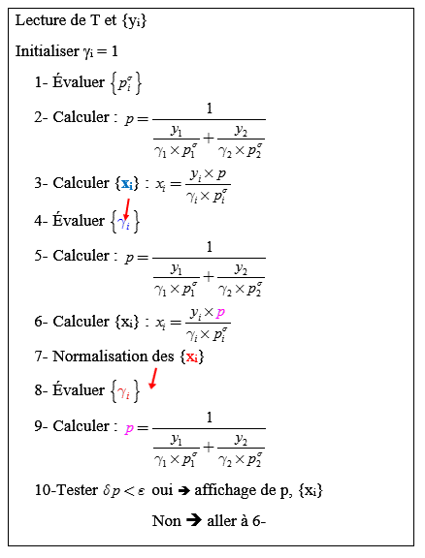
Antoine
 | A | B | C
methanol | 16.59158 | 3643.31 | -33.424
methylacetate | 14.25326 | 2665.54 | -53.424
Calcul de la pression de rosée
 |  |  | kPa | kPa
T(K) | y1 | A | ps1 | ps2
318.15 | 0.6 | 1.1070755 | 44.51090295 | 65.641457486

g1 | g2 | p/kPa | x1 | x2 | itération | normalisation x1 | dp
1.00000 | 1.00000 | 51.089 | 0.6887 | 0.311 | 0
1.11327 | 1.6906 | 63.642 | 0.7706 | 0.229 | 1 | 0.771
1.05999 | 1.9298 | 62.993 | 0.8011 | 0.199 | 2 | 0.801 | -6.49E-01
1.04478 | 2.0349 | 62.906 | 0.8116 | 0.188 | 3 | 0.812 | -8.73E-02
1.04007 | 2.0736 | 62.896 | 0.8152 | 0.185 | 4 | 0.815 | -1.03E-02
1.03855 | 2.0868 | 62.895 | 0.8163 | 0.184 | 5 | 0.816 | -1.16E-03
1.03805 | 2.0913 | 62.894 | 0.8167 | 0.183 | 6 | 0.817 | -1.29E-04
1.03788 | 2.0927 | 62.894 | 0.8169 | 0.183 | 7 | 0.817 | -1.42E-05
1.03783 | 2.0932 | 62.894 | 0.8169 | 0.183 | 8 | 0.817 | -1.55E-06
1.03781 | 2.0934 | 62.894 | 0.8169 | 0.183 | 9 | 0.817 | -1.71E-07
1.03780 | 2.0935 | 62.894 | 0.8169 | 0.183 | 10 | 0.817 | -1.87E-08
1.03780 | 2.0935 | 62.894 | 0.8169 | 0.183 | 11 | 0.817 | -2.05E-09
1.03780 | 2.0935 | 62.894 | 0.8169 | 0.183 | 12 | 0.817 | -2.25E-10
1.03780 | 2.0935 | 62.894 | 0.8169 | 0.183 | 13 | 0.817 | -2.47E-11
1.03780 | 2.0935 | 62.894 | 0.8169 | 0.183 | 14 | 0.817 | -2.71E-12
1.03780 | 2.0935 | 62.894 | 0.8169 | 0.183 | 15 | 0.817 | -2.98E-13
1.03780 | 2.0935 | 62.894 | 0.8169 | 0.183 | 16 | 0.817 | 0.00E+00
1.03780 | 2.0935 | 62.894 | 0.8169 | 0.183 | 17 | 0.817 | 0.00E+00
1.03780 | 2.0935 | 62.894 | 0.8169 | 0.183 | 18 | 0.817 | 0.00E+00

Température de bulle
mathanol(1)-methylacetate(2)

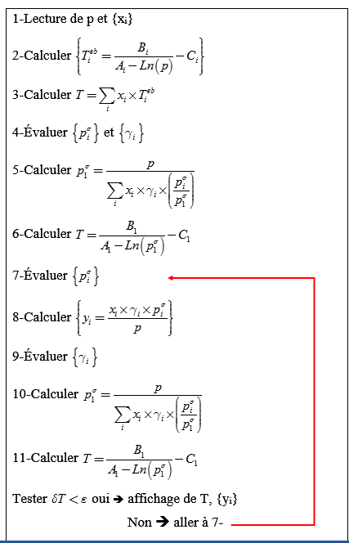
Calcul de la température de bulle
Buble T calculation
P | 101.33 | kPa
x1 | 0.85
Antoine | A | B | C | Teb (K)
methanol | 16.59158 | 3643.31 | -33.424 | 337.71280884
methylacetate | 14.25326 | 2665.54 | -53.424 | 330.07930826
 |  |  |  | kPa | kPa |  | kPa | K
T init (K) | A | g1 | g2 | ps1 | ps2 | ps2/ps1 | ps1 | T | dT | y1 | y2
336.57 | 1.010750491 | 1.0230 | 2.0756 | 96.8495 | 126.36490022 | 1.30 | 79.43 | 331.65 |  | 0.68 | 0.39
331.64636201 | 1.0364895267 | 1.0236 | 2.1146 | 79.4258 | 106.98084476 | 1.35 | 78.11 | 331.24 | -4.07E-01 | 0.67 | 0.33
331.23886423 | 1.0386207401 | 1.0236 | 2.1179 | 78.1092 | 105.48797815 | 1.35 | 78.00 | 331.20 | -3.45E-02 | 0.67 | 0.33
331.20434178 | 1.0388012925 | 1.0236 | 2.1181 | 77.9985 | 105.36226696 | 1.35 | 77.99 | 331.20 | -2.93E-03 | 0.67 | 0.33
331.20141153 | 1.0388166177 | 1.0236 | 2.1182 | 77.9891 | 105.35160212 | 1.35 | 77.99 | 331.20 | -2.49E-04 | 0.67 | 0.33
331.20116277 | 1.0388179187 | 1.0236 | 2.1182 | 77.9883 | 105.35069678 | 1.35 | 77.99 | 331.20 | -2.11E-05 | 0.67 | 0.33
331.20114165 | 1.0388180292 | 1.0236 | 2.1182 | 77.9882 | 105.35061993 | 1.35 | 77.99 | 331.20 | -1.79E-06 | 0.67 | 0.33
331.20113986 | 1.0388180385 | 1.0236 | 2.1182 | 77.9882 | 105.3506134 | 1.35 | 77.99 | 331.20 | -1.52E-07 | 0.67 | 0.33
331.20113971 | 1.0388180393 | 1.0236 | 2.1182 | 77.9882 | 105.35061285 | 1.35 | 77.99 | 331.20 | -1.29E-08 | 0.67 | 0.33
331.20113969 | 1.0388180394 | 1.0236 | 2.1182 | 77.9882 | 105.3506128 | 1.35 | 77.99 | 331.20 | -1.10E-09 | 0.67 | 0.33
331.20113969 | 1.0388180394 | 1.0236 | 2.1182 | 77.9882 | 105.3506128 | 1.35 | 77.99 | 331.20 | -9.31E-11 | 0.67 | 0.33
331.20113969 | 1.0388180394 | 1.0236 | 2.1182 | 77.9882 | 105.3506128 | 1.35 | 77.99 | 331.20 | -7.96E-12 | 0.67 | 0.33
331.20113969 | 1.0388180394 | 1.0236 | 2.1182 | 77.9882 | 105.3506128 | 1.35 | 77.99 | 331.20 | -6.82E-13 | 0.67 | 0.33
331.20113969 | 1.0388180394 | 1.0236 | 2.1182 | 77.9882 | 105.3506128 | 1.35 | 77.99 | 331.20 | 0.00E+00 | 0.67 | 0.33

tempértaure de Rosée
mathanol(1)-methylacetate(2)

Calcul de la température de Rosée

P | 101.33 | kPa
y1 | 0.4
Antoine | A | B | C | Teb(K)
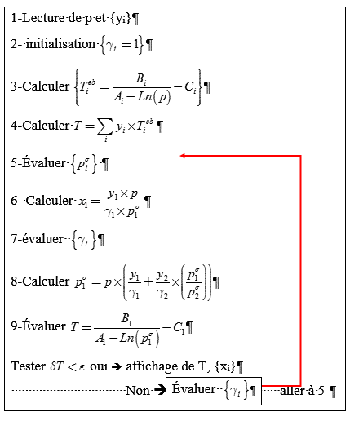
methanol | 16.59158 | 3643.31 | -33.424 | 337.71280884
methylacetate | 14.25326 | 2665.54 | -53.424 | 330.07930826
 |  |  |  | kPa | kPa |  |  |  |  | kPa | K
T init (K) | A | g1 | g2 | ps1 | ps2 | ps2/ps1 | x1 | g1 | g2 | ps1 | T | dT
333.13 | 1.0287159346 | 1.0000 | 1.0000 | 84.3867 | 112.56831521 | 1.33 | 0.48 | 1.3203 | 1.2679 | 66.65 | 327.43
327.43 | 1.0585650653 | 1.3203 | 1.2679 | 66.6483 | 92.301663167 | 1.38 | 0.46 | 1.3606 | 1.2518 | 64.86 | 326.78 | -6.45E-01
326.78 | 1.0619365141 | 1.3606 | 1.2518 | 64.8578 | 90.208250542 | 1.39 | 0.46 | 1.3641 | 1.2511 | 64.65 | 326.71 | -7.45E-02
326.71 | 1.0623261464 | 1.3641 | 1.2511 | 64.6535 | 89.968772165 | 1.39 | 0.46 | 1.3638 | 1.2516 | 64.63 | 326.70 | -8.61E-03
326.70 | 1.0623711947 | 1.3638 | 1.2516 | 64.6300 | 89.941116881 | 1.39 | 0.46 | 1.3634 | 1.2519 | 64.63 | 326.70 | -9.93E-04
326.70 | 1.0623763895 | 1.3634 | 1.2519 | 64.6272 | 89.937928254 | 1.39 | 0.46 | 1.3631 | 1.2521 | 64.63 | 326.70 | -1.14E-04
326.70 | 1.0623769852 | 1.3631 | 1.2521 | 64.6269 | 89.937562577 | 1.39 | 0.46 | 1.3630 | 1.2522 | 64.63 | 326.70 | -1.29E-05
326.70 | 1.0623770527 | 1.3630 | 1.2522 | 64.6269 | 89.937521169 | 1.39 | 0.46 | 1.3629 | 1.2522 | 64.63 | 326.70 | -1.42E-06
326.70 | 1.0623770601 | 1.3629 | 1.2522 | 64.6269 | 89.937516626 | 1.39 | 0.46 | 1.3629 | 1.2523 | 64.63 | 326.70 | -1.42E-07
326.70 | 1.0623770608 | 1.3629 | 1.2523 | 64.6269 | 89.937516169 | 1.39 | 0.46 | 1.3629 | 1.2523 | 64.63 | 326.70 | -1.05E-08
326.70 | 1.0623770609 | 1.3629 | 1.2523 | 64.6269 | 89.937516136 | 1.39 | 0.46 | 1.3628 | 1.2523 | 64.63 | 326.70 | 4.39E-10
326.70 | 1.0623770609 | 1.3628 | 1.2523 | 64.6269 | 89.937516137 | 1.39 | 0.46 | 1.3628 | 1.2523 | 64.63 | 326.70 | 5.12E-10
326.70 | 1.0623770609 | 1.3628 | 1.2523 | 64.6269 | 89.937516139 | 1.39 | 0.46 | 1.3628 | 1.2523 | 64.63 | 326.70 | 1.88E-10
326.70 | 1.0623770609 | 1.3628 | 1.2523 | 64.6269 | 89.937516139 | 1.39 | 0.46 | 1.3628 | 1.2523 | 64.63 | 326.70 | 5.75E-11
326.70 | 1.0623770609 | 1.3628 | 1.2523 | 64.6269 | 89.937516139 | 1.39 | 0.46 | 1.3628 | 1.2523 | 64.63 | 326.70 | 1.66E-11
326.70 | 1.0623770609 | 1.3628 | 1.2523 | 64.6269 | 89.93751614 | 1.39 | 0.46 | 1.3628 | 1.2523 | 64.63 | 326.70 | 4.77E-12
326.70 | 1.0623770609 | 1.3628 | 1.2523 | 64.6269 | 89.93751614 | 1.39 | 0.46 | 1.3628 | 1.2523 | 64.63 | 326.70 | 1.31E-12
326.70 | 1.0623770609 | 1.3628 | 1.2523 | 64.6269 | 89.93751614 | 1.39 | 0.46 | 1.3628 | 1.2523 | 64.63 | 326.70 | 0.00E+00
326.70 | 1.0623770609 | 1.3628 | 1.2523 | 64.6269 | 89.93751614 | 1.39 | 0.46 | 1.3628 | 1.2523 | 64.63 | 326.70 | 0.00E+00
326.70 | 1.0623770609 | 1.3628 | 1.2523 | 64.6269 | 89.93751614 | 1.39 | 0.46 | 1.3628 | 1.2523 | 64.63 | 326.70 | 0.00E+00
326.70 | 1.0623770609 | 1.3628 | 1.2523 | 64.6269 | 89.93751614 | 1.39 | 0.46 | 1.3628 | 1.2523 | 64.63 | 326.70 | 0.00E+00

